Investigation #1 pg265
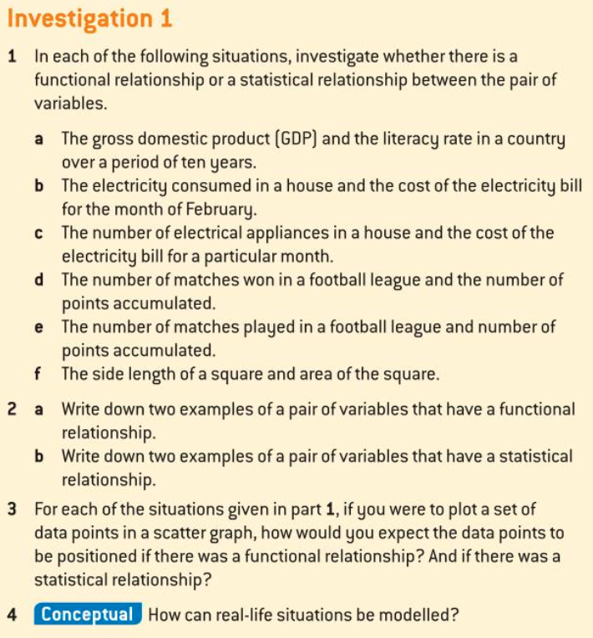
Answer the questions in writing below.
Investigation #1 pg265

Part 1 Investigation #3 pg271
Data Set 1: Correlation r = 0.735
 | Answer the questions in writing below.
 | Investigation #3 pg271
 |  |  |  |  |  |  |  |  |  |  |  | Example Solution
1 | For each set:
a) | Plot the points on a scatter graph.
b) | Comment on the correlation
c) | Find the value of r, Pearson's product moment coefficient.
d) | What do you notice? How would you relate the value of r to the correlation?
 |  |  |  |  |  |  |  |  |  |  |  | Correlation
 |  | Set 1 | x | 2 | 3 | 4 | 5 | 6 | 7 | 8 | 9 | 0.735
 |  |  | Set 1: r=0.735 | 3 | 6.5 | 4 | 7.5 | 5 | 6 | 7 | 10

 |  | Set 2 | x | 2 | 3 | 4 | 5 | 6 | 7 | 8 | 9 | 0.870
 |  |  | Set 2: r=0.870 | 4 | 6 | 5 | 7 | 5.5 | 7 | 7.5 | 9

Four sets of correlated data
 |  | Set 3 | x | 2 | 3 | 4 | 5 | 6 | 7 | 8 | 9 | 0.963
 |  |  | Set 3: r=0.963 | 4.5 | 5.8 | 5.5 | 6.8 | 6.5 | 7.2 | 7.7 | 8.6

 |  | Set 4 | x | 2 | 3 | 4 | 5 | 6 | 7 | 8 | 9 | 1.000
 |  |  | Set 4: r=1.000 | 5 | 5.5 | 6 | 6.5 | 7 | 7.5 | 8 | 8.5

Part 2 Investigation #3 pg271
 | Answer the questions in writing below.
 | Investigation #3 pg271 |  |  |  |  |  |  |  |  |  |  | Example Solution
Data Set 1: Correlation r = 0.735
2 | For each set:
a) | Plot the points on a scatter graph.
b) | Comment on the correlation
c) | Find the value of r, Pearson's product moment coefficient.
d) | What do you notice? How would you relate the value of r to the correlation?
 |  |  |  |  |  |  |  |  |  |  |  | Correlation
 |  | Set 1 | x | 2 | 3 | 4 | 5 | 6 | 7 | 8 | 9 | -0.657
 |  |  | Set 1: r= -0.657 | 13 | 8 | 12 | 7 | 10 | 11 | 6 | 5

 |  | Set 2 | x | 2 | 3 | 4 | 5 | 6 | 7 | 8 | 9 | -0.771
 |  |  | Set 2: r= -0.771 | 12.5 | 9 | 11 | 8 | 10 | 10 | 7 | 6

Four sets of negatively correlated data
 |  | Set 3 | x | 2 | 3 | 4 | 5 | 6 | 7 | 8 | 9 | -0.934
 |  |  | Set 3: r= -0.934 | 12 | 10 | 10.5 | 9 | 9.3 | 9 | 8.2 | 7

 |  | Set 4 | x | 2 | 3 | 4 | 5 | 6 | 7 | 8 | 9 | -1.000
 |  |  | Set 4: r= -1.000 | 11 | 10.5 | 10 | 9.5 | 9 | 8.5 | 8 | 7.5

Investigation #4 pg273
Answer the questions in writing below.
Investigation #4 pg273

Effect of outliers
 | Example Solution
 |  |  |  |  |  |  |  |  |  |  |  | Correlation
 | x | 1 | 2 | 3 | 3 | 4 | 5 | 6 | 7 | 8 | 10 | 0.542
 | y | 1 | 3 | 2 | 14 | 4 | 3 | 6 | 7 | 5 | 15

 | x | 1 | 2 | 3 |  | 4 | 5 | 6 | 7 | 8 | 10 | 0.858
 | y | 1 | 3 | 2 |  | 4 | 3 | 6 | 7 | 5 | 15

 | x | 1 | 2 | 3 | 3 | 4 | 5 | 6 | 7 | 8 |  | 0.220
 | y | 1 | 3 | 2 | 14 | 4 | 3 | 6 | 7 | 5

 | x | 1 | 2 | 3 |  | 4 | 5 | 6 | 7 | 8 |  | 0.847
 | y | 1 | 3 | 2 |  | 4 | 3 | 6 | 7 | 5

